Pistol
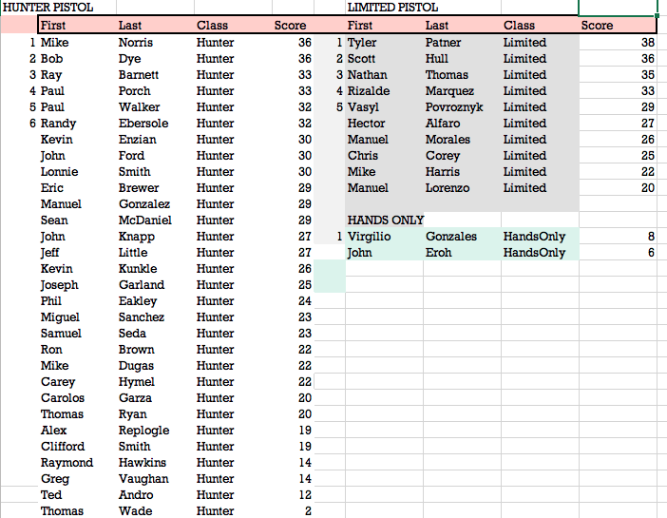
Per Rules
Hunter Trophies1-5
Limited Trophies 1-4
No Trophies hands only

